Test Case
Test Case ID | Scenario ID | API ID | Test Case | Preconditions | Test Data | Test Steps | Expected Result | Actual Result | Evidence | Status
TC_001 | TS-CON-001 | API-001 | Verify create a new conversion | Internet connection available Data available Tool testing available | URL: https://api.convertio.co/convert Header: Content-Type: application/json Body Request: { "apikey": "6da82c8aba2858d6fd8185e8e78420bd", "input": "url", "file": "https://samplepdf.org/files/sample.pdf", "outputformat": "png" } | 1.Open the tool testing 2.Enter URL 3.Select test method 4.Enter header data 5.Select body items 6. Enter body request 7. Click on "Send" button | The tool testing should be opened The URL should be entered Test method should be selected Header data should be entered Body items should be selected Body request should be entered with the user's api key and real url file ""Send"" button should be clicked Status code shoud be displayed 200 ok Body response should be displayed The user should be created a new conversion successfully. | Tool testing "Postman" screen has been opened. URL "https://api.convertio.co/convert" has been entered. Test method "POST" has been selected. Header data "Key = Content-Type", " Value = application/json" have been entered. Body items "raw" and "JSON" have been selected. Body request has been entered: "apikey": "6da82c8aba2858d6fd8185e8e78420bd", "input": "url", "file": "https://samplepdf.org/files/sample.pdf", "outputformat": "png" "Send" button has been clicked. Status code "200 ok" has been displayed. Body response has been displayed: "code": 200, "status": "ok", "data": { "id": "36d174131b9f63ab4d427bb85cf3557f", "minutes": 25 The user has been created a new conversion successfully. | 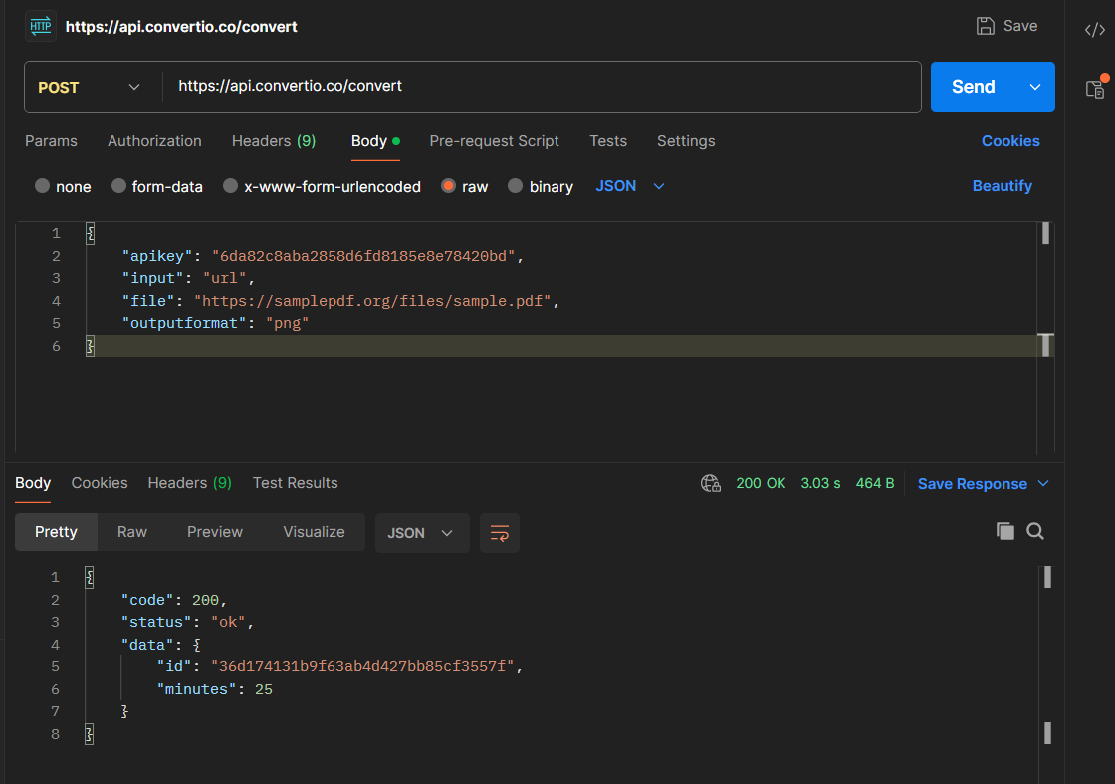 | PASS
TC_002 | TS-CON-003 | API-002 | Verify file upload with a valid conversion ID. | Internet connection available Valid conversion ID available Tool testing available | Step 1: URL: https://api.convertio.co/convert Body Request: "apikey": "6da82c8aba2858d6fd8185e8e78420bd", "input": "upload", "outputformat": "png" Step 2: URL: https://api.convertio.co/convert/2b697bb91b0db0c13765037d1e968fdb/Min.jpg File: Min.jpg | 1.Open the tool testing 2.Enter URL with enpoint "/convert", POST method and entering valid body request to get a new conversion ID 3.Enter URL with a new conversion ID that you've created and file name 4.Select body item Binary 5.Select a file 5. Click on "Send" button | Step 1: The tool testing should be opened The URL with endpoint "/convert" should be entered Test method should be selected Body items should be selected Body request should be entered "Send" button should be clicked Body response should be displayed a new conversion ID Step 2: The URL with a new conversion ID and file name should be entered Test method should be selected Body item should be selected The file should be uploaded "Send" button should be clicked The status code "200 OK" should be displayed The file should be uploaded successfully with valid conversion ID. | Step 1: The tool testing has been opened The URL with endpoint "/convert" has been entered Test method "POST" has been selected Body items "raw","JSON" has been selected Body request has been entered: "apikey": "6da82c8aba2858d6fd8185e8e78420bd", "input": "upload", "outputformat": "png" "Send" button has been clicked Body response has been displayed a new conversion ID "2b697bb91b0db0c13765037d1e968fdb" Step 2: The URL "https://api.convertio.co/convert/2b697bb91b0db0c13765037d1e968fdb/Min.jpg" has been entered Test method "PUT" has been selected Body item "binary" has been selected The file "Min.jpg" has been uploaded "Send" button has been clicked The status code "200 OK" has been displayed The file has been uploaded successfully with valid conversion ID. | 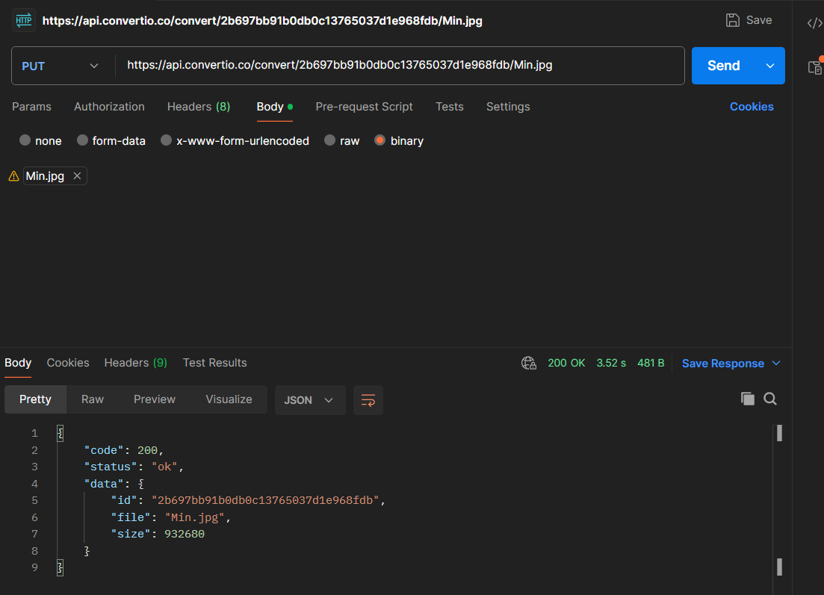 | PASS
TC-003 | TS-CON-005 | API-003 | Verify get status with valid conversion ID | Internet connection available Valid conversion ID available Tool testing available | URL: https://api.convertio.co/convert/9712d01edc82e49c68d58ae6346d2013/status | 1.Open the tool testing 2.Enter URL 3.Select test method 4.Select body items 5. Click on "Send" button | The tool testing should be opened The URL should be entered Test method should be selected Body items should be selected "Send" button should be clicked Status code shoud be displayed 200 ok Body response should be displayed The user should get status with valid conversion | Tool testing "Postman" screen has been opened. URL "https://api.convertio.co/convert/9712d01edc82e49c68d58ae6346d2013/status" has been entered. Test method "GET" has been selected. Body items "None" has been selected. Status code has been displayed "200 ok". Body response has been displayed. The user has been gotton status with valid conversion ID successfully. | 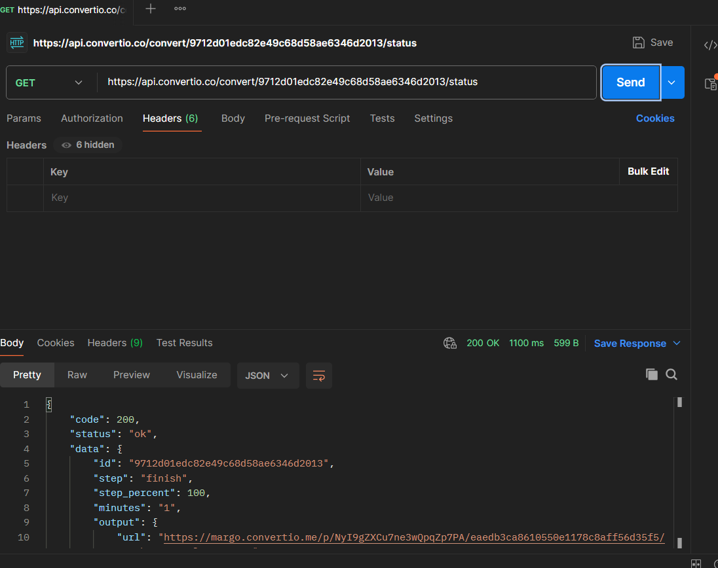 | PASS
TC-004 | TS-CON-006 | API-003 | Verify get status with invalid conversion ID | Internet connection available Invalid conversion ID available Tool testing available | URL: https://api.convertio.co/convert/20012000456789034506957438294/status | 1.Open the tool testing 2.Enter URL 3.Select test method 4.Select body items 5. Click on ""Send"" button | The tool testing should be opened The URL should be entered Test method should be selected Body items should be selected "Send" button should be clicked Status code shoud be displayed failure result Body response should be displayed The user should not get status with invalid conversion ID | Tool testing "Postman" screen has been opened. URL "https://api.convertio.co/convert/20012000456789034506957438294/status" has been entered. Test method "GET" has been selected. Body items "None" has been selected. Status code has been displayed "404 Not Found". Body response has been displayed messages: "code": 404, "status": "error", "error": "File not found" The user hasn't been gotton status with invalid conversion ID. | 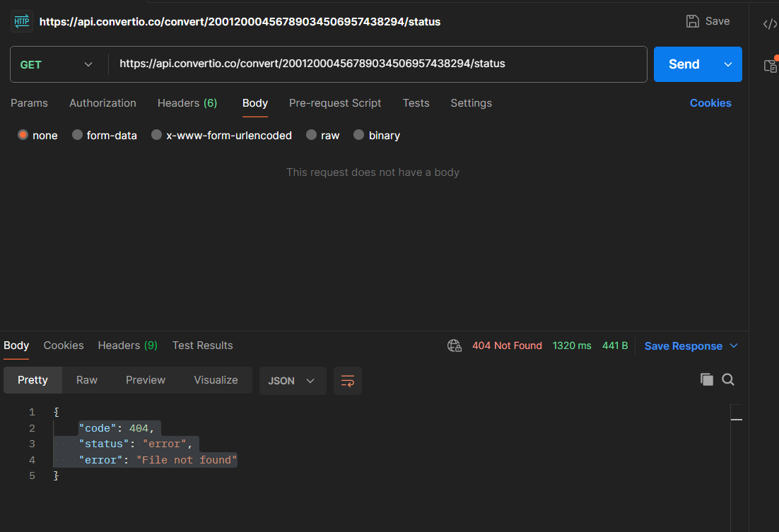 | PASS
TC-005 | TS-CON-007 | API-005 | Verify delete file with valid ID | Internet connection available Valid conversion ID available Tool testing available | URL: https://api.convertio.co/convert/9712d01edc82e49c68d58ae6346d2013 | 1.Open the tool testing 2.Enter URL with valid conversion ID 3.Select test method 4.Select body items 5. Click on "Send" button | The tool testing should be opened The URL should be entered Test method should be selected Body items should be selected "Send" button should be clicked Status code "200 ok" shoud be displayed Body response should be displayed successful result The user should delete file with valid conversion ID | Tool testing "Postman" screen has been opened. URL "https://api.convertio.co/convert/9712d01edc82e49c68d58ae6346d2013" has been entered. Test method "DELETE" has been selected. Body items "None" has been selected. Status code has been displayed "200 ok". Body response has been displayed messages: "code": 200, "status": "ok", "data": { "message": "File deleted" The user has been deleted file with valid conversion ID. | 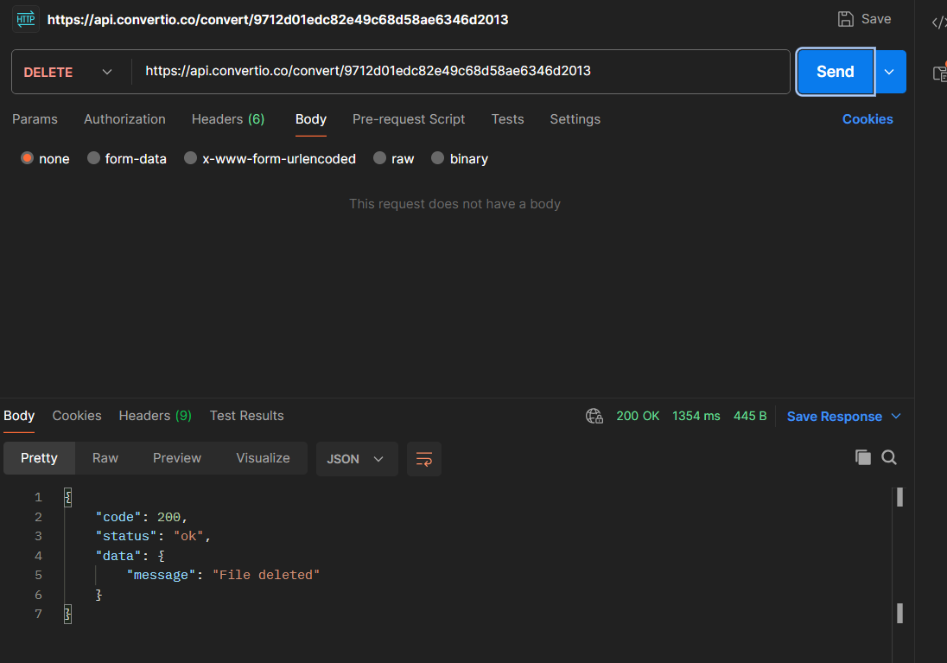 | PASS
TC-006 | TS-CON-008 | API-005 | Verify delete file with invalid ID | Internet connection available Invalid conversion ID available Tool testing available | URL: https://api.convertio.co/convert/9712d01edc82e49247fhgkkae6346d2013 | 1.Open the tool testing 2.Enter URL with invalid conversion ID 3.Select test method 4.Select body items 5. Click on "Send" button | The tool testing should be opened The URL should be entered Test method should be selected Body items should be selected "Send" button should be clicked Status code shoud be displayed failure code Body response should be displayed failure result The user shouldn't delete file with invalid conversion ID | Tool testing "Postman" screen has been opened. URL "https://api.convertio.co/convert/9712d01edc82e49247fhgkkae6346d2013" has been entered. Test method "DELETE" has been selected. Body items "None" has been selected. Status code has been displayed "404 Not Found" Body response has been displayed messages: "code": 404, "status": "error", "error": "The system is unable to find the requested action" The user hasn't been deleted file with inalid conversion ID. | 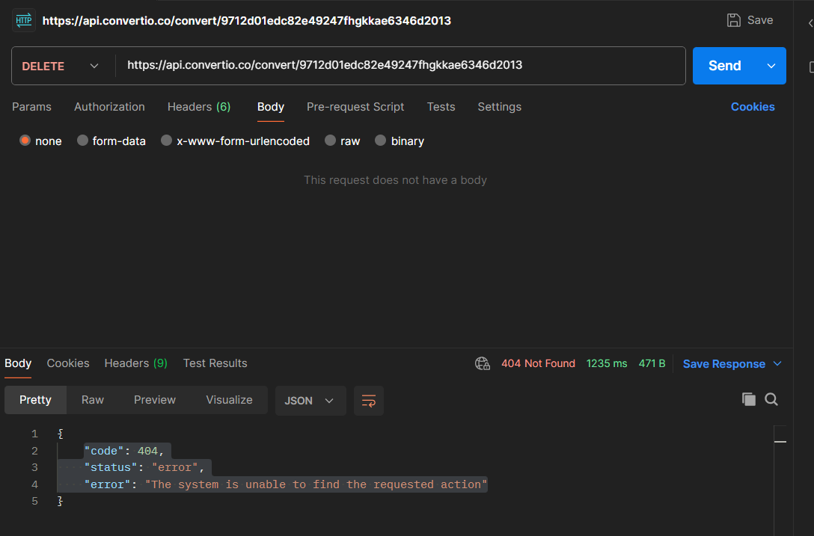 | PASS

